UI Mockups
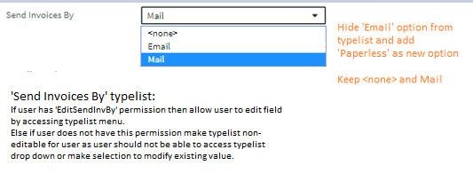
User Story Card - UI Mockup

1) Billing Info section -> for ACCOUNT LEVEL BILL when payment instrument = responsive
Proposed UI |  |  | Baseline (OOTB view)
A) Changes to section |  |  | A) Changes to section
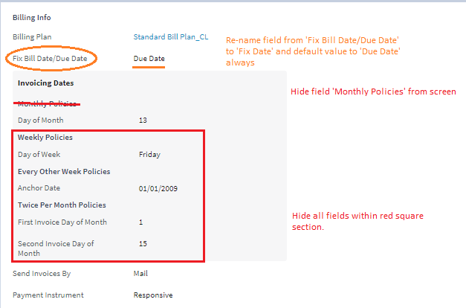
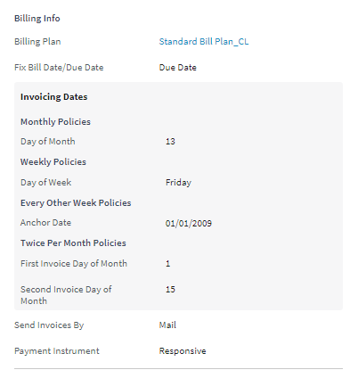

B) Layout changes -- no changes to data under this mock up but just a layout of page after changes made. UI Fields tab has requirement rules to specify location and this is the visual for requirements. |  |  | B) Layout changes -- no changes to data under this mock up but just a layout of page after changes made. UI Fields tab has requirement rules to specify location and this is the visual for requirements.
Proposed UI |  |  | Baseline (OOTB view)

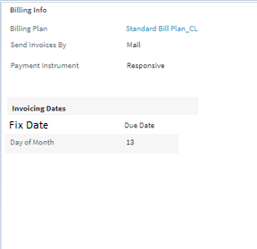

C) Entire screen shot showing updated layout
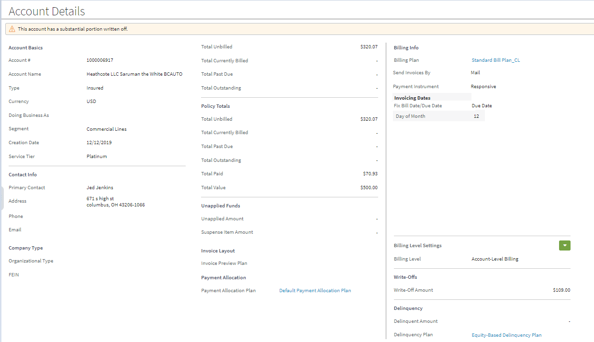

2) Billing Info section -> for ACCOUNT LEVEL BILL when payment instrument = non-responsive
Proposed UI
A) Changes to section
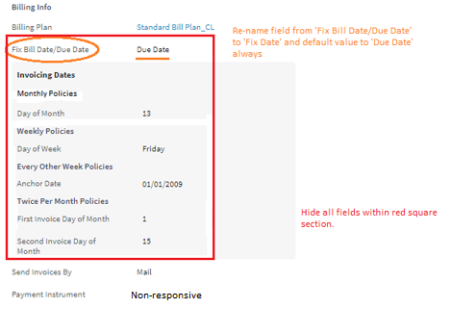
 |  | Note: make all same changes to layout as with payment instrument = repsonsive BUT now also hide following fields: 'Invoicing Dates'( section header) 'Day of Month' 'Fix Date' **See total screen layout below**

B) Layout changes -- no changes to data under this mock up but just a layout of page after changes made. UI Fields tab has requirement rules to specify location and this is the visual for requirements.
Proposed UI

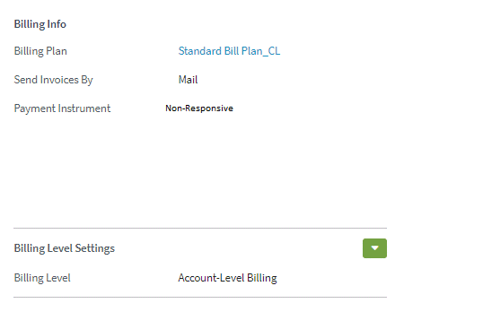

C) Entire screen shot showing updated layout
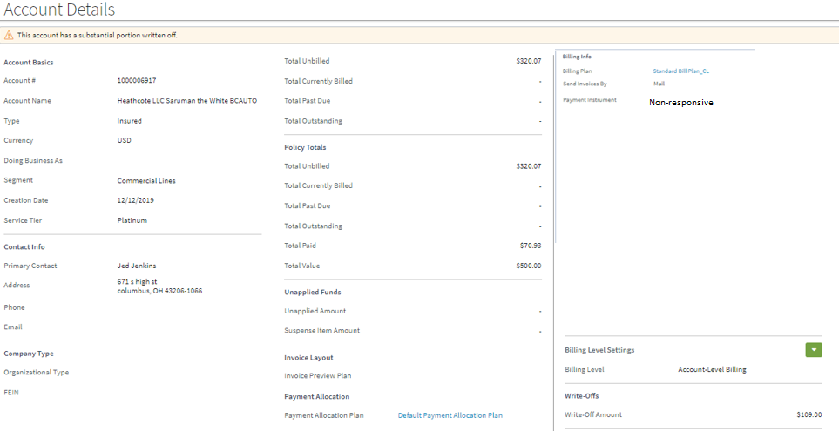

2- Billing Info section -> for POLICY LEVEL BILL
Proposed UI |  |  | Baseline (OOTB view)
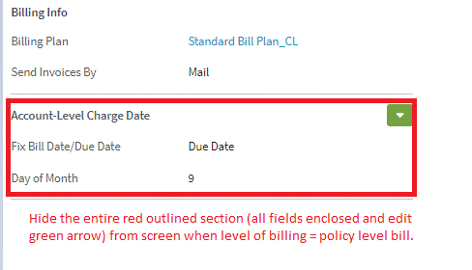
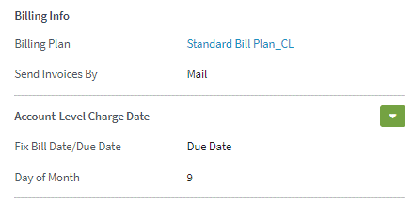

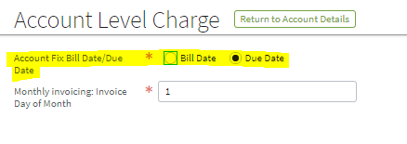
3- Fix Bill Date/Due Date field in "edit" mode -> for ACCOUNT LEVEL BILL
Proposed UI | Note: This field can also be accessed from this path and same rules apply: |  | Baseline (OOTB view)
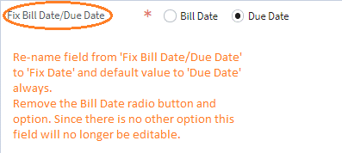
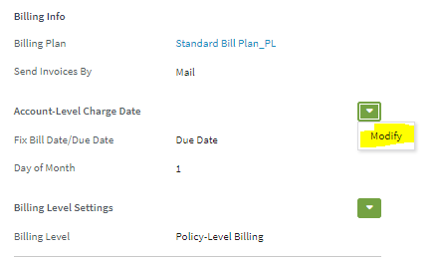

Additional rule as outlined in mockups 1 & 2 above:
when payment instrument = responsive, abide by these changes in UI Mockups 3 and keep displaying field
when payment instrument = non-respnosive, abide by these changes in UI Mockups 3 but then hide field

4- Edit 'Day of Month' field -> for ACCOUNT LEVEL BILL
Proposed UI |  |  | Baseline (OOTB view)
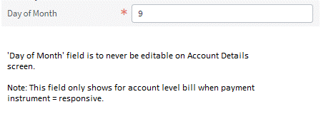

5- 'Send Invoices By'-> for BOTH LEVELS OF BILLING
Proposed UI |  |  | Baseline (OOTB view)

